PR
LAPORAN POSYANDU
BIDANG PERUMAHAN RAKYAT
DESA | : SRIBHAWONO

NO | TANGGAL | NAMA POSYANDU | NAMA | NIK | ALAMAT | PERSYARATAN |  |  |  |  | Tindaklanjut
 |  |  |  |  |  | FC KK | FC KTP | SP* | Suket Penghasilan | FOTO KONDISI RUMAH | TL | BTL
1 | 2 | 3 | 4 | 5 | 6 | 7 | 8 | 9 | 10 | 11 | 12 | 13
1 | 2026-01-07 | BAKUNG 7 | SILARYATI | 1807156712820004 | DUSUN VII, RT 025 RW 012 | ✓ | ✓ | ✓ |  |  | Telah Diproses
2 | 2026-01-07 | BAKUNG 7 | SUSWANTI | 1907156503830003 | DUSUN VII, RT 025 RW 012 | ✓ | ✓ | ✓ |  |  | Telah Diproses
3 | 2026-01-07 | BAKUNG 6 | SUKATNI | 1807153112690005 | DUSUN VI, RT 014 RW 004 | ✓ | ✓ | ✓ |  |  | Telah Diproses
4 | 2026-01-08 | BAKUNG 3 | SAMSUL SUHUD | 1807152304820003 | DUSUN III, RT 010 RW 005 | ✓ | ✓ | ✓ |  | 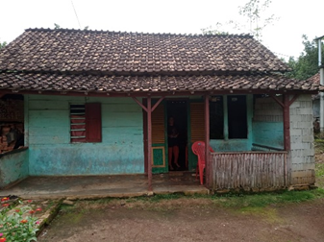 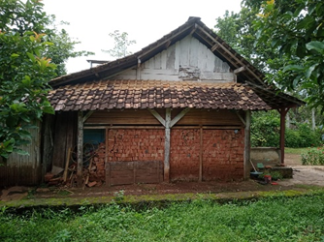 |  | Belum Diproses
5 | 2026-01-08 | BAKUNG 6 | HERU SUTIONO | 1807151808840008 | DUSUN VI, RT 029 RW 011 | ✓ | ✓ | ✓ |  | 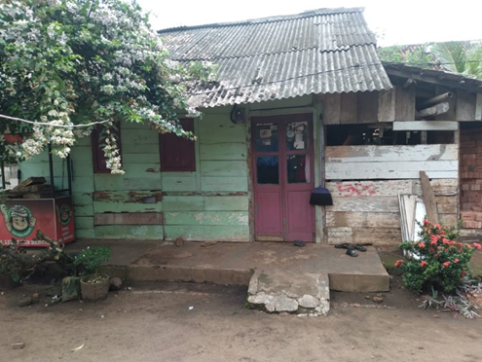 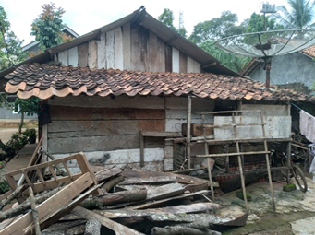 |  | Belum Diproses
6
7
8
9
10
11
12
13
14
15
16
17
18
19
20
21
22
23
24

